Home
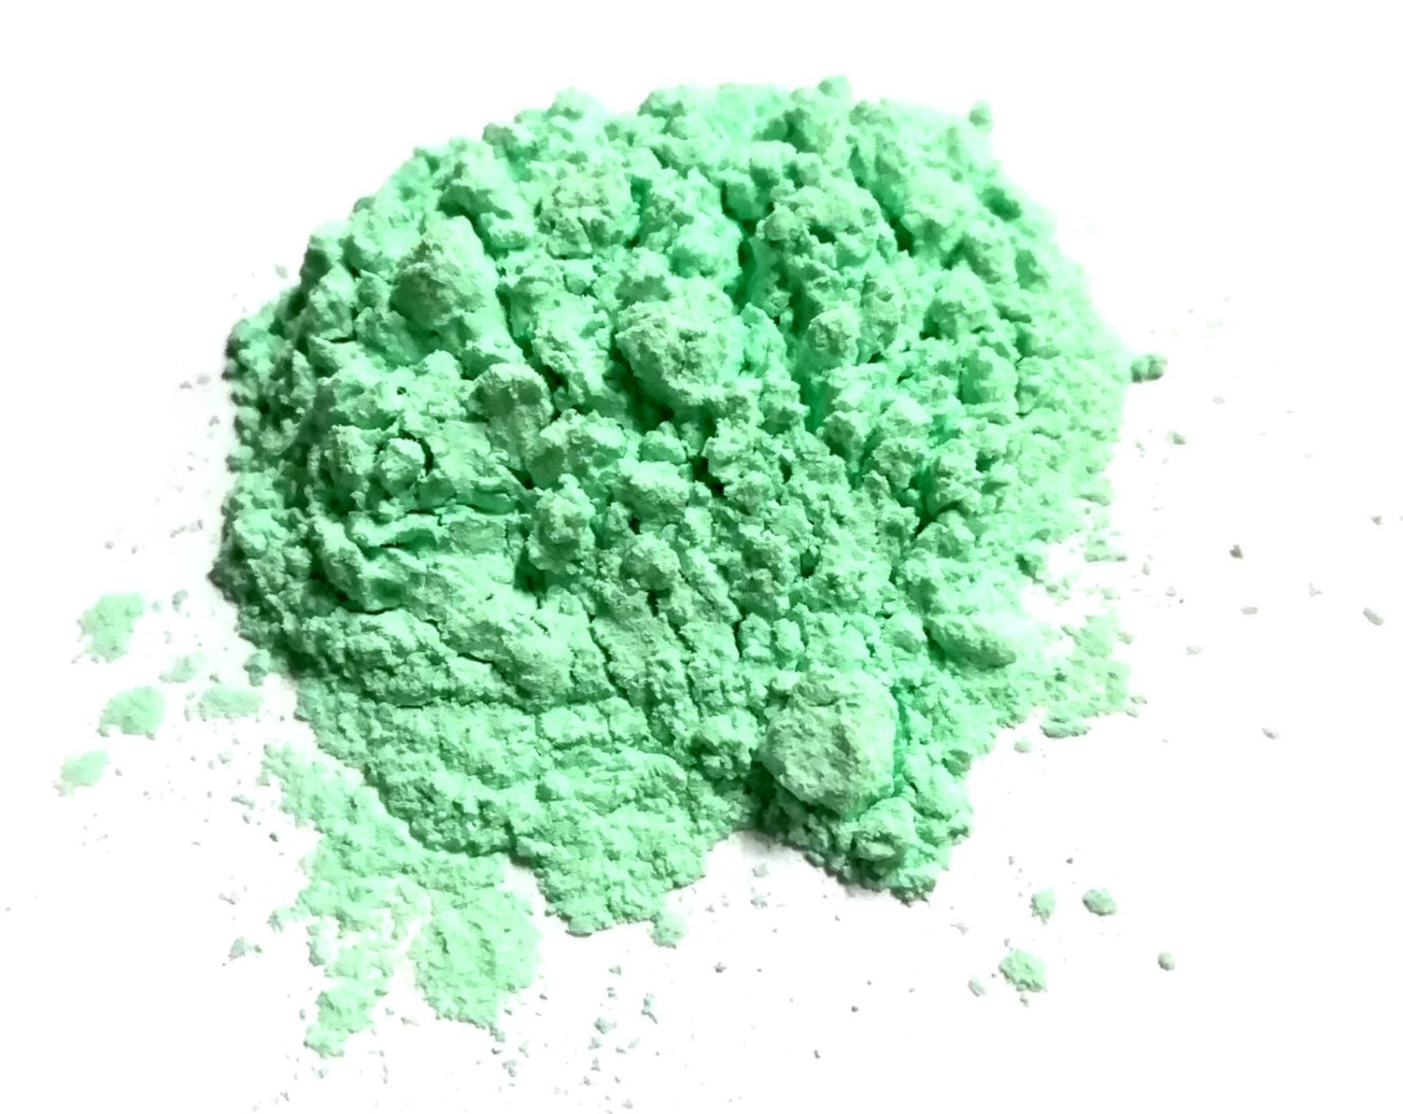

Nickel Carbonate Market

Pivot_Value (Thousand USD)
Pivot_Market Volume (Tons)

Raw Data_Value (000' USD)
Raw Data_Volume (Tons)

Pivot_Value (Thousand USD)
Global Nickel Carbonate Market Value Statistics (Thousand USD), 2024-2034 [Base Year: 2024, Foecase: 2025-2034]

HOME |  |  |  |  |  |  |  |  |  | MARKET VOLUME (TONS)

FILTER | 2024 | 2025 | 2026 | 2027 | 2028 | 2029 | 2030 | 2031 | 2032 | 2033 | 2034
Global | 619,200.0 | 639,600.0 | 659,233.4 | 645,389.5 | 666,687.3 | 687,354.6 | 710,724.7 | 737,732.2 | 768,717.0 | 804,077.9 | 845,085.9
Type | 206,400.0 | 213,200.0 | 219,744.5 | 215,129.8 | 222,229.1 | 229,118.2 | 236,908.2 | 245,910.7 | 256,239.0 | 268,026.0 | 281,695.3
ACS & Reagent Grade | 23,477.8 | 24,556.9 | 25,626.3 | 25,397.9 | 26,556.7 | 27,711.3 | 28,996.9 | 30,456.1 | 32,108.3 | 33,976.4 | 36,121.2
Industrial Grade | 182,922.2 | 188,643.1 | 194,118.1 | 189,731.9 | 195,672.4 | 201,406.9 | 207,911.3 | 215,454.7 | 224,130.7 | 234,049.6 | 245,574.1
Application | 206,400.0 | 213,200.0 | 219,744.5 | 215,129.8 | 222,229.1 | 229,118.2 | 236,908.2 | 245,910.7 | 256,239.0 | 268,026.0 | 281,695.3
Catalyst | 39,428.1 | 40,833.9 | 42,197.0 | 41,417.8 | 42,894.5 | 44,337.2 | 45,960.9 | 47,827.6 | 49,961.1 | 52,389.2 | 55,197.1
Pigments | 16,749.4 | 17,320.3 | 17,871.3 | 17,514.4 | 18,111.0 | 18,691.2 | 19,345.7 | 20,100.0 | 20,963.6 | 21,947.8 | 23,087.5
Plating | 143,711.2 | 148,415.1 | 152,940.3 | 149,699.5 | 154,610.5 | 159,374.5 | 164,764.4 | 170,996.7 | 178,149.7 | 186,315.5 | 195,788.4
Others | 6,511.4 | 6,630.7 | 6,735.9 | 6,498.2 | 6,613.0 | 6,715.3 | 6,837.2 | 6,986.4 | 7,164.6 | 7,373.4 | 7,622.4
Region | 206,400.0 | 213,200.0 | 219,744.5 | 215,129.8 | 222,229.1 | 229,118.2 | 236,908.2 | 245,910.7 | 256,239.0 | 268,026.0 | 281,695.3
North America | 19,608.0 | 20,211.4 | 20,787.8 | 20,308.3 | 20,934.0 | 21,537.1 | 22,222.0 | 23,017.2 | 23,932.7 | 24,980.0 | 26,197.7
Asia Pacific | 151,704.0 | 157,000.5 | 162,127.5 | 159,024.0 | 164,582.9 | 170,005.7 | 176,117.6 | 183,154.3 | 191,205.5 | 200,376.2 | 210,989.8
Europe | 26,419.2 | 27,140.4 | 27,819.6 | 27,084.8 | 27,823.1 | 28,525.2 | 29,329.2 | 30,271.6 | 31,363.7 | 32,618.8 | 34,085.1
Latin America | 6,398.4 | 6,545.2 | 6,680.2 | 6,475.4 | 6,622.4 | 6,759.0 | 6,917.7 | 7,106.8 | 7,328.4 | 7,585.1 | 7,887.5
Middle East & Africa | 2,270.4 | 2,302.6 | 2,329.3 | 2,237.4 | 2,266.7 | 2,291.2 | 2,321.7 | 2,360.7 | 2,408.6 | 2,465.8 | 2,535.3
North America | 58,824.0 | 60,634.1 | 62,363.5 | 60,924.8 | 62,801.9 | 64,611.3 | 66,666.0 | 69,051.7 | 71,798.2 | 74,940.1 | 78,593.0
Type | 19,608.0 | 20,211.4 | 20,787.8 | 20,308.3 | 20,934.0 | 21,537.1 | 22,222.0 | 23,017.2 | 23,932.7 | 24,980.0 | 26,197.7
ACS & Reagent Grade | 2,333.4 | 2,409.2 | 2,482.1 | 2,428.9 | 2,507.9 | 2,584.5 | 2,671.1 | 2,771.3 | 2,886.3 | 3,017.6 | 3,169.9
Industrial Grade | 17,274.6 | 17,802.2 | 18,305.8 | 17,879.4 | 18,426.1 | 18,952.7 | 19,550.9 | 20,246.0 | 21,046.4 | 21,962.4 | 23,027.7
Application | 19,608.0 | 20,211.4 | 20,787.8 | 20,308.3 | 20,934.0 | 21,537.1 | 22,222.0 | 23,017.2 | 23,932.7 | 24,980.0 | 26,197.7
Catalyst | 3,644.0 | 3,776.6 | 3,905.5 | 3,836.0 | 3,975.5 | 4,111.9 | 4,265.2 | 4,441.2 | 4,642.2 | 4,870.7 | 5,134.7
Pigments | 1,549.0 | 1,608.8 | 1,667.2 | 1,640.9 | 1,704.0 | 1,766.0 | 1,835.5 | 1,915.0 | 2,005.6 | 2,108.3 | 2,226.8
Plating | 13,881.8 | 14,282.7 | 14,663.1 | 14,298.5 | 14,712.0 | 15,107.9 | 15,559.5 | 16,086.5 | 16,695.3 | 17,393.5 | 18,207.4
Others | 533.2 | 543.2 | 552.0 | 532.8 | 542.5 | 551.3 | 561.7 | 574.5 | 589.7 | 607.5 | 628.7
Country | 19,608.0 | 20,211.4 | 20,787.8 | 20,308.3 | 20,934.0 | 21,537.1 | 22,222.0 | 23,017.2 | 23,932.7 | 24,980.0 | 26,197.7
U.S | 16,355.5 | 16,840.4 | 17,301.7 | 16,884.0 | 17,385.2 | 17,866.4 | 18,414.3 | 19,052.2 | 19,788.2 | 20,631.3 | 21,613.1
Canada | 3,252.5 | 3,371.0 | 3,486.1 | 3,424.2 | 3,548.8 | 3,670.7 | 3,807.7 | 3,965.0 | 4,144.5 | 4,348.7 | 4,584.6
Asia Pacific | 455,112.0 | 471,001.4 | 486,382.4 | 477,071.9 | 493,748.6 | 510,017.1 | 528,352.7 | 549,462.9 | 573,616.6 | 601,128.7 | 632,969.4
Type | 151,704.0 | 157,000.5 | 162,127.5 | 159,024.0 | 164,582.9 | 170,005.7 | 176,117.6 | 183,154.3 | 191,205.5 | 200,376.2 | 210,989.8
ACS & Reagent Grade | 16,839.1 | 17,709.7 | 18,579.8 | 18,510.4 | 19,453.7 | 20,400.7 | 21,451.1 | 22,637.9 | 23,977.2 | 25,487.9 | 27,217.7
Industrial Grade | 134,864.9 | 139,290.8 | 143,547.7 | 140,513.6 | 145,129.2 | 149,605.0 | 154,666.5 | 160,516.4 | 167,228.4 | 174,888.4 | 183,772.1
Application | 151,704.0 | 157,000.5 | 162,127.5 | 159,024.0 | 164,582.9 | 170,005.7 | 176,117.6 | 183,154.3 | 191,205.5 | 200,376.2 | 210,989.8
Catalyst | 29,278.9 | 30,348.2 | 31,387.9 | 30,834.7 | 31,962.0 | 33,066.1 | 34,307.7 | 35,733.4 | 37,361.6 | 39,213.6 | 41,354.0
Pigments | 12,439.7 | 12,858.3 | 13,262.0 | 12,992.3 | 13,430.0 | 13,855.5 | 14,336.0 | 14,890.4 | 15,525.9 | 16,250.5 | 17,090.2
Plating | 104,979.2 | 108,691.4 | 112,289.5 | 110,187.7 | 114,088.8 | 117,899.0 | 122,190.4 | 127,127.4 | 132,773.1 | 139,201.4 | 146,637.9
Others | 5,006.2 | 5,102.5 | 5,188.1 | 5,009.3 | 5,102.1 | 5,185.2 | 5,283.5 | 5,403.1 | 5,545.0 | 5,710.7 | 5,907.7
Country | 151,704.0 | 157,000.5 | 162,127.5 | 159,024.0 | 164,582.9 | 170,005.7 | 176,117.6 | 183,154.3 | 191,205.5 | 200,376.2 | 210,989.8
Australia | 2,275.6 | 2,307.9 | 2,334.6 | 2,242.2 | 2,271.2 | 2,295.1 | 2,324.8 | 2,362.7 | 2,409.2 | 2,464.6 | 2,531.9
China | 92,842.8 | 96,492.5 | 100,065.1 | 98,563.1 | 102,436.4 | 106,253.6 | 110,531.4 | 115,423.9 | 120,994.9 | 127,319.1 | 134,611.5
India | 10,771.0 | 11,162.7 | 11,543.5 | 11,338.4 | 11,751.2 | 12,155.4 | 12,610.0 | 13,132.2 | 13,728.6 | 14,407.1 | 15,191.3
Japan | 14,411.9 | 14,852.2 | 15,272.4 | 14,916.4 | 15,372.0 | 15,810.5 | 16,308.5 | 16,886.8 | 17,552.7 | 18,314.4 | 19,200.1
South East Asia (SEA) | 16,384.0 | 16,971.8 | 17,542.2 | 17,222.3 | 17,840.8 | 18,445.6 | 19,126.4 | 19,908.9 | 20,803.2 | 21,821.0 | 22,997.9
South Korea | 6,219.9 | 6,389.9 | 6,549.9 | 6,376.9 | 6,550.4 | 6,715.2 | 6,903.8 | 7,124.7 | 7,380.5 | 7,674.4 | 8,017.6
Rest of Asia Pacific | 8,798.8 | 8,823.4 | 8,819.7 | 8,364.7 | 8,360.8 | 8,330.3 | 8,312.7 | 8,315.2 | 8,336.6 | 8,375.7 | 8,439.6
Europe | 79,257.6 | 81,421.1 | 83,458.9 | 81,254.5 | 83,469.3 | 85,575.6 | 87,987.7 | 90,814.8 | 94,091.0 | 97,856.3 | 102,255.4
...

Pivot_Volume (Tons)
Global Nickel Carbonate Market Volume Statistics (Tons), 2024-2034 [Base Year: 2024, Foecase: 2025-2034]

HOME | MARKET VALUE ('000 USD)
...

